Sheet1
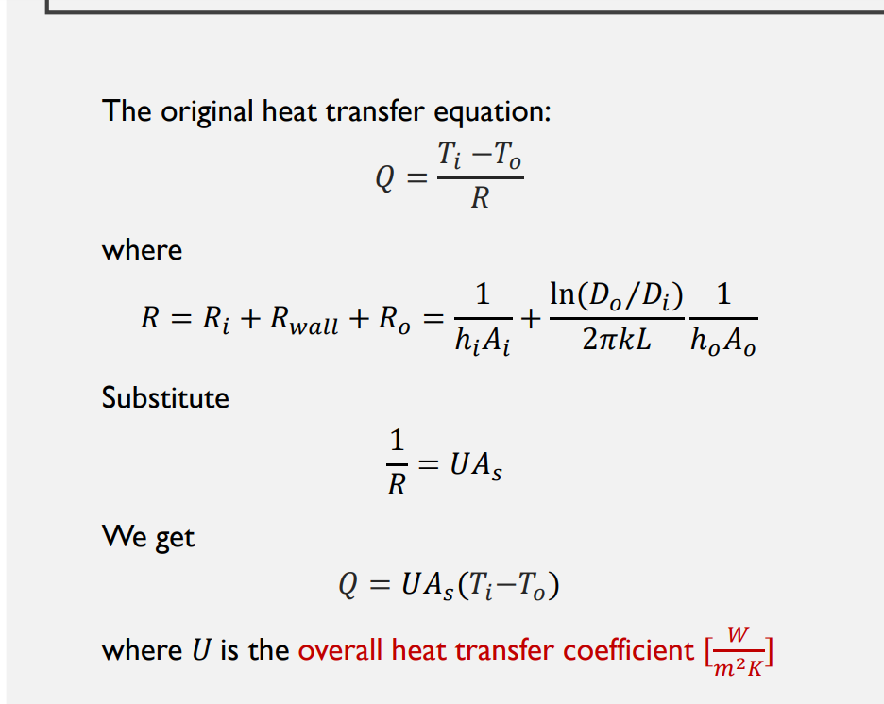
First Pass (Milk and Water)
 | Properties |  |  |  | Constraints |  |  | Choose |  |  |  | Choose
 | Water (inner) | Milk (outer) |  |  | Water (inner) | Milk (outer) |  | mdot_milk (kg/s) | mdot_water (kg/s) | Di (m) | Do (m) | Given
cp (J/kg/K) | 4205 | 3890 |  | T in (C) | 93.3333 | 4.44 |  | 4.4907447917 | 4.3 | 0.6 | 1 | Calculate
rho (kg/m^3) | 958 | 1020 |  | T out (C) |  | 72.7778 |  |  |  |  |  | Find
Mu (Pa*s) | 0.00028 | 0.0015 |  |  |  |  |  | 4.4026909722 | 0.0044026909722
Pr | 1.76 | 10.060344828 |  |  |  |  |  | L/s | m^3/s
K (W/mK) | 0.62 | 0.58

Qdot_c (milk) (W) | Th_out (water) °C | dT1 (K) | dT2 (K) | dTlm (K) | dh (m) | Ac_o (m^2) | Ac_i (m^2) | Vi (m/s) | Vo (m/s) | Fi
1193792.8396 | 27.310412543 | 20.5555 | 22.870412543 | 21.692373757 | 0.4 | 0.65973445725 | 0.28274333882 | 0.01587488414 | 0.006673428868 | 0.93324194726

Re_i (water) | Re_o (milk) | f_i | f_o | Nu_i | Nu_o | h_o | h_i | U | As | L (m)
21725.912867 | 1815.1726521 | 0.025606996049 | 0.05438364342 | 114.22300985 | 4.06893489 | 2.8061619931 | 73.692264418 | 2.7032246453 | 20358.217633 | 10800.369896
 |  |  |  | 122.39378029 | 124.13925057
 |  |  |  | 4.36 | 4.36
 |  |  |  | Will not work for Re between 10000 and 2300

References
